Tabelle1
 |  |  |  |  |  |  | 28876
Image |  | Vendor Style Number 1 | BRAND | Vendor Colour | Product Description | Product Description | Units | Wholesale Price | RRP (DEU) €
*falls vorhanden ein Bild | Artikelname | Artikelnummer | Ihre Marke | * Farbe falls vorhanden | Ihre Artikel Beschreibung | Ihre Artikel Beschreibung | Stueckzahl pro Artikel | * Falls vorhanden der Wholesale Preis | Endkonsumenten VK
* if available a photo | Name | Item number | the brand | * colour if available | Article description | Article description | pieces per article | * Wholesale Preis if available | endconsumer retail
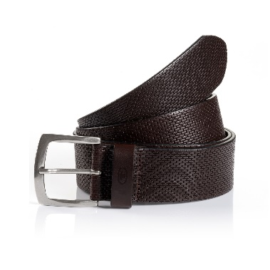 Find attached | TTWILL | 00611-0003-6000 | Tom Tailor | braun | Tom Tailor Men | Casual Belt | 206 | 14.30 € | 35.99 €
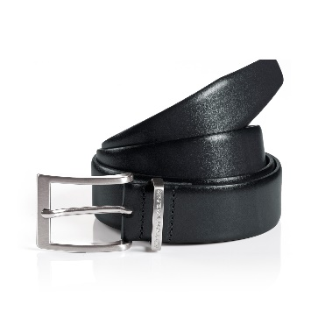 Find attached | TTBILL | 00611-0006-1200 | Tom Tailor | Navy | Tom Tailor Men | Casual Belt | 155 | 11.95 € | 29.99 €
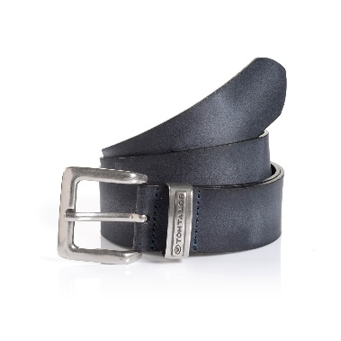 Find attached | TTHARRY | 00611-0008-1200 | Tom Tailor | Navy | Tom Tailor Men | Casual Belt | 75 | 11.95 € | 29.99 €
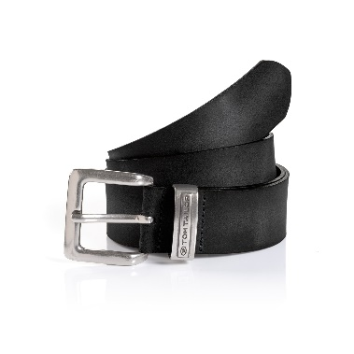 Find attached | TTHARRY | 00611-0008-9000 | Tom Tailor | schwarz | Tom Tailor Men | Casual Belt | 406 | 11.95 € | 29.99 €
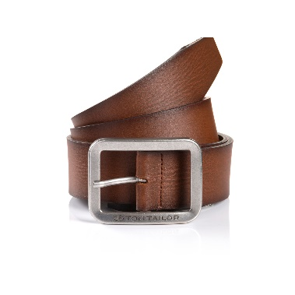 Find attached | TTED | 00611-0011-6700 | Tom Tailor | hellbraun | Tom Tailor Men | Casual Belt | 51 | 11.95 € | 29.99 €
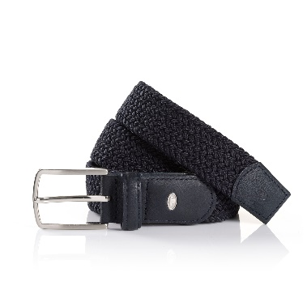 Find attached | TTALEX | 00611-0012-1200 | Tom Tailor | Navy | Tom Tailor Men | Casual Belt | 1179 | 11.95 € | 29.99 €
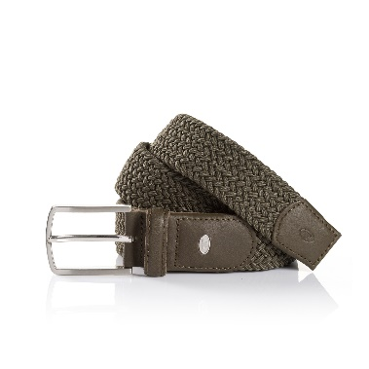 Find attached | TTALEX | 00611-0012-4200 | Tom Tailor | olive | Tom Tailor Men | Casual Belt | 712 | 11.95 € | 29.99 €
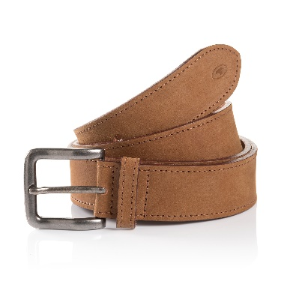 Find attached | TTBILLY | 00611-0047-6700 | Tom Tailor | hellbraun | Tom Tailor Men | Casual Belt | 86 | 15.90 € | 39.99 €
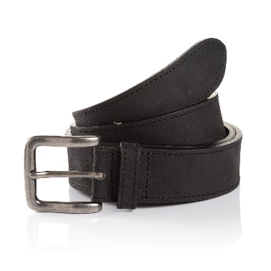 Find attached | TTBILLY | 00611-0047-9000 | Tom Tailor | schwarz | Tom Tailor Men | Casual Belt | 74 | 15.90 € | 39.99 €
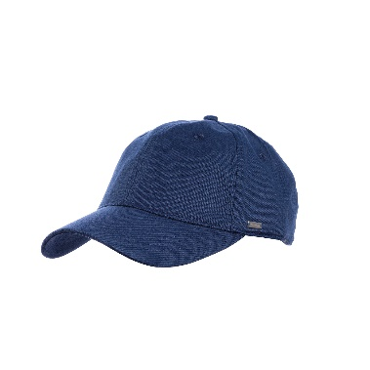 Find attached | TTROME | 00612-0001-1200 | Tom Tailor | Navy | Tom Tailor Men | Cap | 159 | 7.20 € | 17.99 €
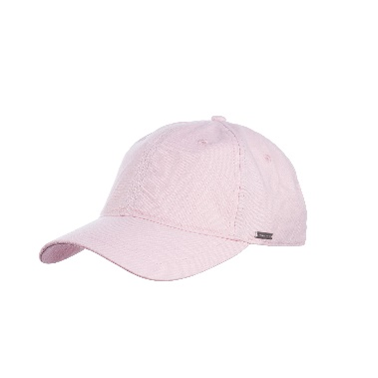 Find attached | TTROME | 00612-0001-3400 | Tom Tailor | pink | Tom Tailor Men | Cap | 65 | 7.20 € | 17.99 €
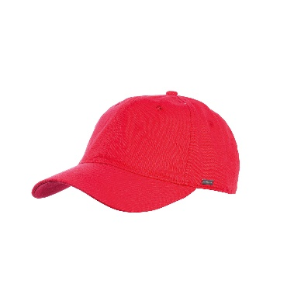 Find attached | TTROME | 00612-0001-5100 | Tom Tailor | rot | Tom Tailor Men | Cap | 42 | 7.20 € | 17.99 €
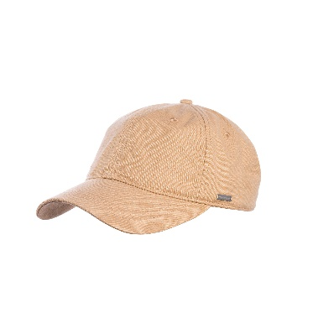 Find attached | TTROME | 00612-0001-6004 | Tom Tailor | beige | Tom Tailor Men | Cap | 82 | 7.20 € | 17.99 €
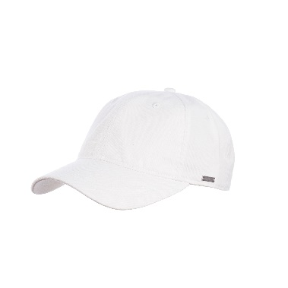 Find attached | TTROME | 00612-0001-9600 | Tom Tailor | Weiß | Tom Tailor Men | Cap | 147 | 7.20 € | 17.99 €
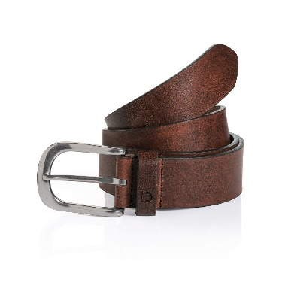 Find attached | TTDPETER | 00621-0002-6000 | Tom Tailor | braun | Tom Tailor Men | Denim Belt | 251 | 11.95 € | 29.99 €
 | TTDPETER | 00621-0002-6700 | Tom Tailor | hellbraun | Tom Tailor Men | Denim Belt | 96 | 11.95 € | 29.99 €
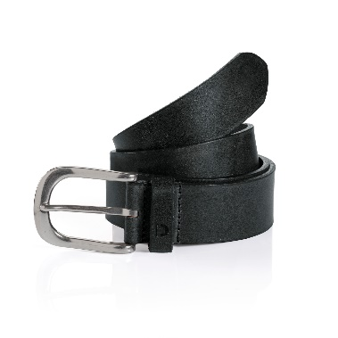 Find attached | TTDPETER | 00621-0002-9000 | Tom Tailor | schwarz | Tom Tailor Men | Denim Belt | 549 | 11.95 € | 29.99 €
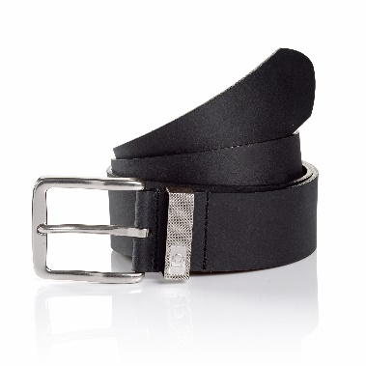 Find attached | TTDJOE | 00621-0003-1200 | Tom Tailor | Navy | Tom Tailor Men | Denim Belt | 530 | 11.95 € | 29.99 €
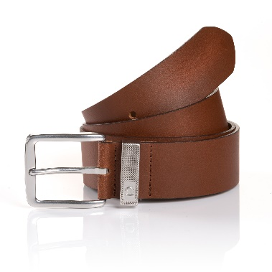 Find attached | TTDJOE | 00621-0003-6700 | Tom Tailor | hellbraun | Tom Tailor Men | Denim Belt | 660 | 11.95 € | 29.99 €
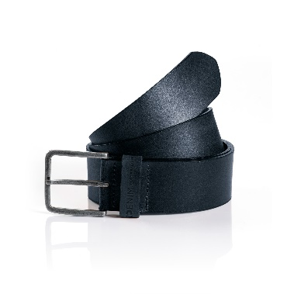 Find attached | TTDDUSTIN | 00621-0004-1200 | Tom Tailor | Navy | Tom Tailor Men | Denim Belt | 631 | 10.30 € | 25.99 €
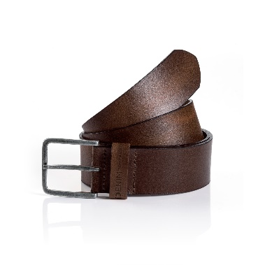 Find attached | TTDDUSTIN | 00621-0004-6000 | Tom Tailor | braun | Tom Tailor Men | Denim Belt | 377 | 10.30 € | 25.99 €
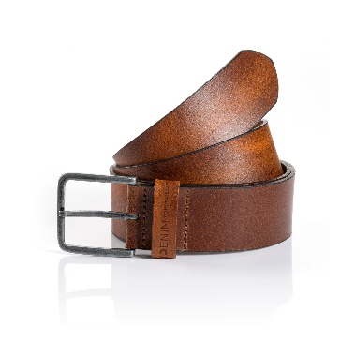 Find attached | TTDDUSTIN | 00621-0004-6700 | Tom Tailor | hellbraun | Tom Tailor Men | Denim Belt | 534 | 10.30 € | 25.99 €
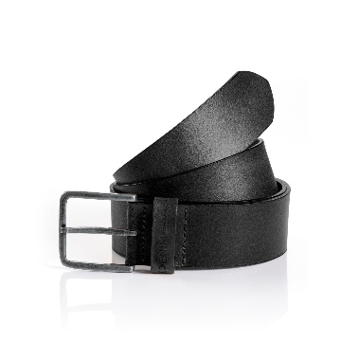 Find attached | TTDDUSTIN | 00621-0004-9000 | Tom Tailor | schwarz | Tom Tailor Men | Denim Belt | 550 | 10.30 € | 25.99 €
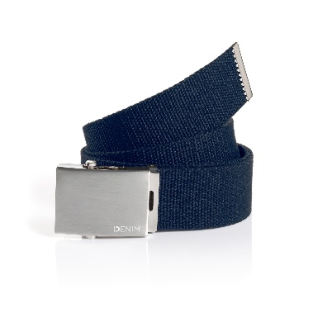 Find attached | TTDTIM | 00621-0006-1200 | Tom Tailor | Navy | Tom Tailor Men | Denim Belt | 740 | 7.15 € | 17.99 €
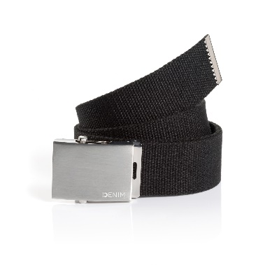 Find attached | TTDTIM | 00621-0006-9000 | Tom Tailor | schwarz | Tom Tailor Men | Denim Belt | 640 | 7.15 € | 17.99 €
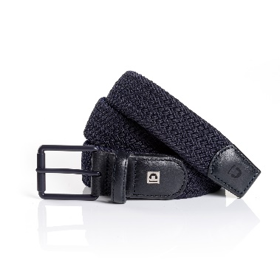 Find attached | TTDANDY | 00621-0007-1200 | Tom Tailor | Navy | Tom Tailor Men | Denim Belt | 274 | 11.95 € | 29.99 €
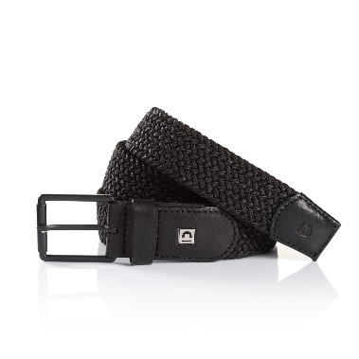 Find attached | TTDANDY | 00621-0007-9000 | Tom Tailor | schwarz | Tom Tailor Men | Denim Belt | 260 | 11.95 € | 29.99 €
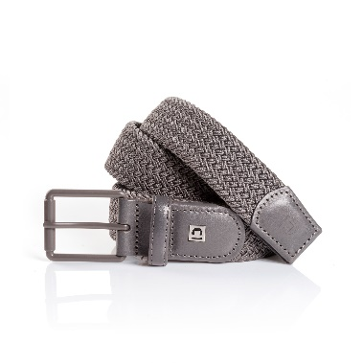 Find attached | TTDANDY | 00621-0007-9200 | Tom Tailor | grau | Tom Tailor Men | Denim Belt | 130 | 11.95 € | 29.99 €
Find attached | TTDBROOKLYN | 00622-0001-1200 | Tom Tailor | Navy | Tom Tailor Men | Cap | 284 | 7.20 € | 17.99 €
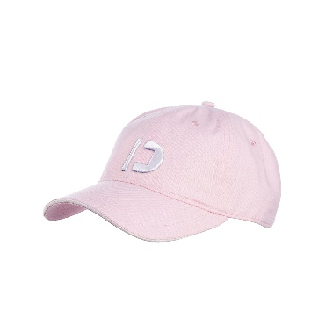 Find attached | TTDBROOKLYN | 00622-0001-3400 | Tom Tailor | pink | Tom Tailor Men | Cap | 128 | 7.20 € | 17.99 €
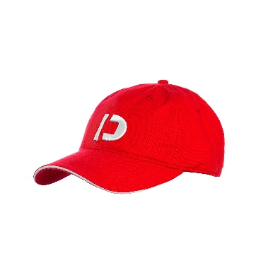 Find attached | TTDBROOKLYN | 00622-0001-5100 | Tom Tailor | rot | Tom Tailor Men | Cap | 321 | 7.20 € | 17.99 €
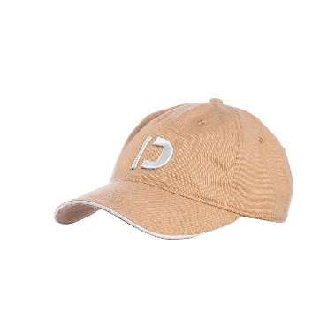 Find attached | TTDBROOKLYN | 00622-0001-6004 | Tom Tailor | beige | Tom Tailor Men | Cap | 255 | 7.20 € | 17.99 €
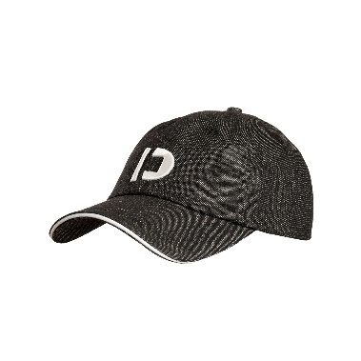 Find attached | TTDBROOKLYN | 00622-0001-9000 | Tom Tailor | schwarz | Tom Tailor Men | Cap | 342 | 7.20 € | 17.99 €
Find attached | TTDBROOKLYN | 00622-0001-9600 | Tom Tailor | Weiß | Tom Tailor Men | Cap | 336 | 7.20 € | 17.99 €
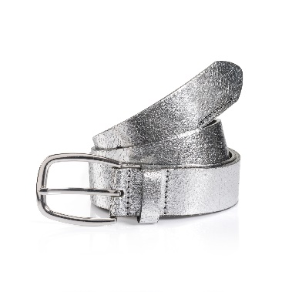 Find attached | TTANGELINA | 00711-0001-9300 | Tom Tailor | silber | Tom Tailor Women | Casual Belt | 1870 | 10.30 € | 25.99 €
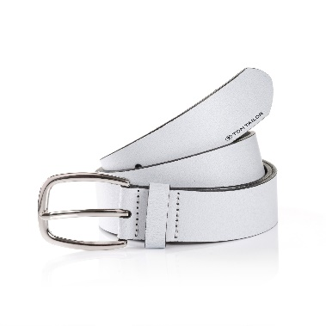 Find attached | TTANGELINA | 00711-0001-9600 | Tom Tailor | Weiß | Tom Tailor Women | Casual Belt | 401 | 10.30 € | 25.99 €
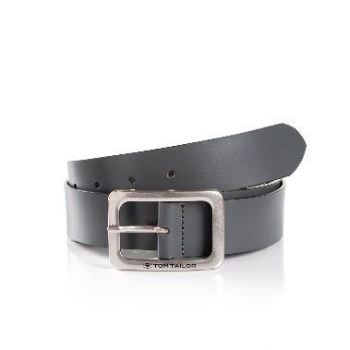 Find attached | TTEVE | 00711-0004-9200 | Tom Tailor | grau | Tom Tailor Women | Casual Leather Belt | 771 | 10.30 € | 25.99 €
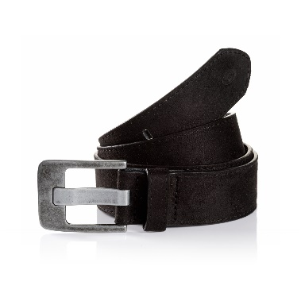 Find attached | TTLUCY | 00711-0005-9000 | Tom Tailor | schwarz | Tom Tailor Women | Casual Belt | 413 | 14.30 € | 35.99 €
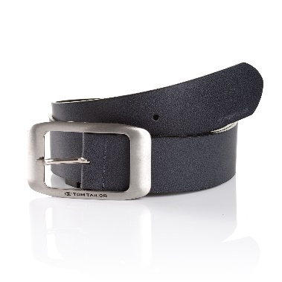 Find attached | TTAMY | 00711-0006-9200 | Tom Tailor | grau | Tom Tailor Women | Casual Belt | 161 | 10.30 € | 25.99 €
 | TTAMY | 00711-0006-9600 | Tom Tailor | Weiß | Tom Tailor Women | Casual Belt | 168 | 10.30 € | 25.99 €
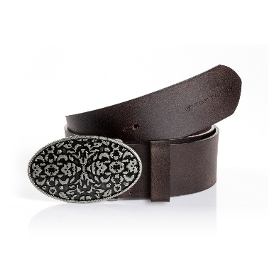 Find attached | TTTAYLOR | 00711-0007-6000 | Tom Tailor | braun | Tom Tailor Women | Casual Belt | 1194 | 11.95 € | 29.99 €
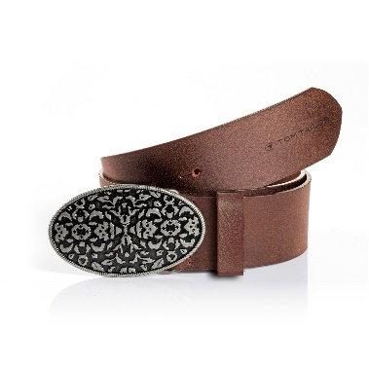 Find attached | TTTAYLOR | 00711-0007-6700 | Tom Tailor | hellbraun | Tom Tailor Women | Casual Belt | 499 | 11.95 € | 29.99 €
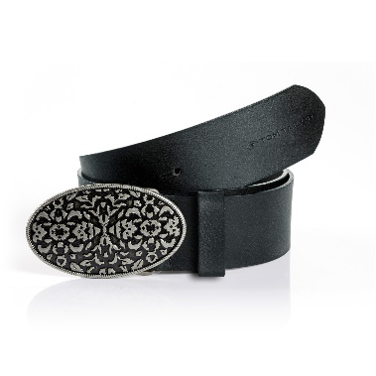 Find attached | TTTAYLOR | 00711-0007-9000 | Tom Tailor | schwarz | Tom Tailor Women | Casual Belt | 833 | 11.95 € | 29.99 €
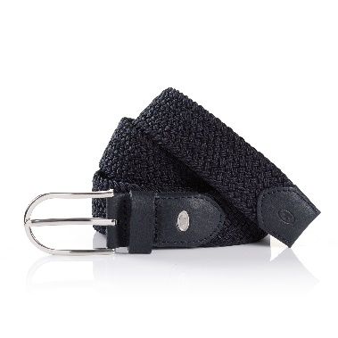 Find attached | TTLOU | 00711-0009-1200 | Tom Tailor | Navy | Tom Tailor Women | Casual Belt | 158 | 11.95 € | 29.99 €
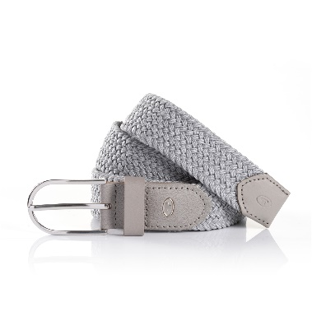 Find attached | TTLOU | 00711-0009-9300 | Tom Tailor | silber | Tom Tailor Women | Casual Belt | 298 | 11.95 € | 29.99 €
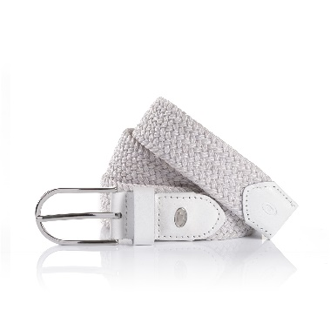 Find attached | TTLOU | 00711-0009-9600 | Tom Tailor | Weiß | Tom Tailor Women | Casual Belt | 142 | 11.95 € | 29.99 €
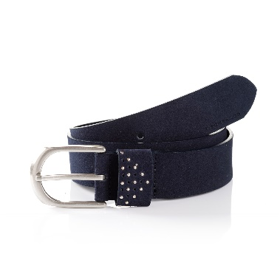 Find attached | TTDONNA | 00711-0036-1200 | Tom Tailor | Navy | Tom Tailor Women | Casual Belt | 98 | 11.95 € | 29.99 €
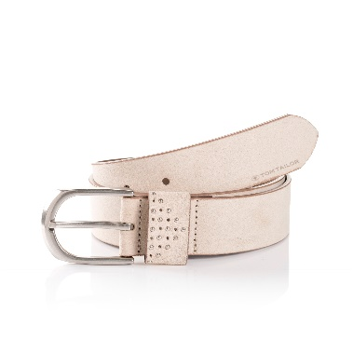 Find attached | TTDONNA | 00711-0036-6004 | Tom Tailor | beige | Tom Tailor Women | Casual Belt | 558 | 11.95 € | 29.99 €
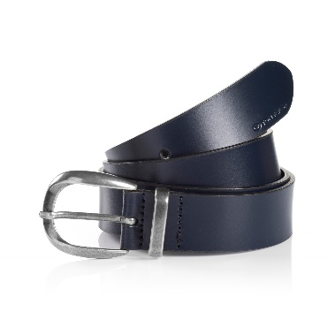 Find attached | TTBROOK | 00711-0038-1200 | Tom Tailor | Navy | Tom Tailor Women | Casual Belt | 750 | 14.30 € | 35.99 €
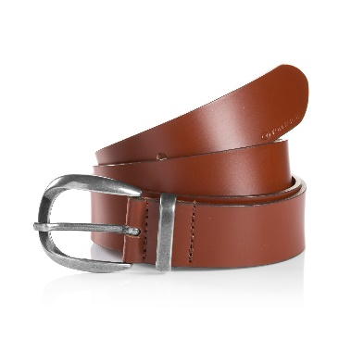 Find attached | TTBROOK | 00711-0038-6700 | Tom Tailor | hellbraun | Tom Tailor Women | Casual Belt | 743 | 14.30 € | 35.99 €
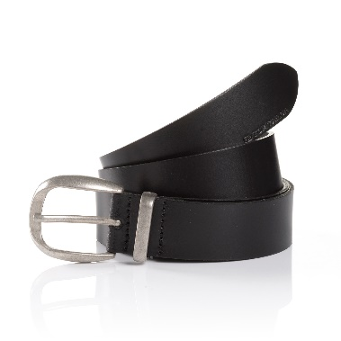 Find attached | TTBROOK | 00711-0038-9000 | Tom Tailor | schwarz | Tom Tailor Women | Casual Belt | 633 | 14.30 € | 35.99 €
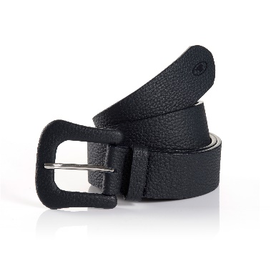 Find attached | TTAUDREY | 00711-0052-1200 | Tom Tailor | Navy | Tom Tailor Women | Casual Belt | 419 | 15.90 € | 39.99 €
 | TTAUDREY | 00711-0052-4200 | Tom Tailor | olive | Tom Tailor Women | Casual Belt | 235 | 15.90 € | 39.99 €
 | TTAUDREY | 00711-0052-6009 | Tom Tailor | sand | Tom Tailor Women | Casual Belt | 235 | 15.90 € | 39.99 €
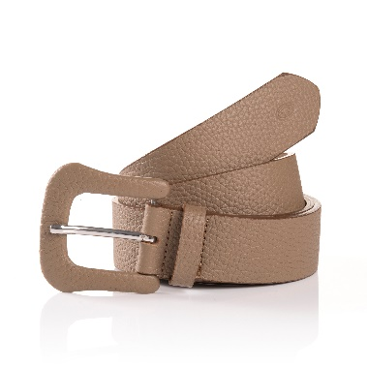 Find attached | TTAUDREY | 00711-0052-6200 | Tom Tailor | taupe | Tom Tailor Women | Casual Belt | 906 | 15.90 € | 39.99 €
 | TTAUDREY | 00711-0052-6600 | Tom Tailor | light cognac | Tom Tailor Women | Casual Belt | 235 | 15.90 € | 39.99 €
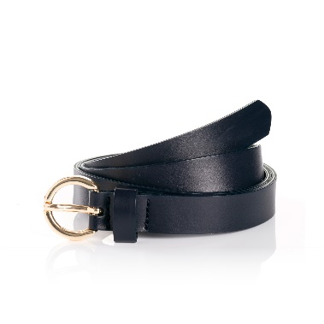 Find attached | TTJASMIN | 00711-0085-1200 | Tom Tailor | Navy | Tom Tailor Women | Casual Belt | 281 | 10.30 € | 25.99 €
Find attached | TTJASMIN | 00711-0085-6400 | Tom Tailor | ecru | Tom Tailor Women | Casual Belt | 146 | 10.30 € | 25.99 €
Find attached | TTLUCYPLUS | 00711-1005-1200 | Tom Tailor | Navy | Tom Tailor Women | Casual Belt | 173 | 15.90 € | 39.99 €
Find attached | TTLUCYPLUS | 00711-1005-6200 | Tom Tailor | taupe | Tom Tailor Women | Casual Belt | 161 | 15.90 € | 39.99 €
Find attached | TTLUCYPLUS | 00711-1005-9000 | Tom Tailor | schwarz | Tom Tailor Women | Casual Belt | 107 | 15.90 € | 39.99 €
Find attached | TTTAYLORPLUS | 00711-1007-6000 | Tom Tailor | braun | Tom Tailor Women | Casual Belt | 154 | 14.30 € | 35.99 €
Find attached | TTTAYLORPLUS | 00711-1007-6700 | Tom Tailor | hellbraun | Tom Tailor Women | Casual Belt | 188 | 14.30 € | 35.99 €
Find attached | TTTAYLORPLUS | 00711-1007-9000 | Tom Tailor | schwarz | Tom Tailor Women | Casual Belt | 145 | 14.30 € | 35.99 €
Find attached | TTDPAULA | 00721-0001-6700 | Tom Tailor | hellbraun | Tom Tailor Women | Denim Belt | 1334 | 7.95 € | 19.99 €
Find attached | TTDMEGAN | 00721-0003-1000 | Tom Tailor | blue | Tom Tailor Women | Denim Belt | 875 | 7.95 € | 19.99 €
Find attached | TTDBRIDGET | 00721-0004-1000 | Tom Tailor | blue | Tom Tailor Women | Denim Belt | 203 | 10.30 € | 25.99 €
Find attached | TTDBRIDGET | 00721-0004-6004 | Tom Tailor | beige | Tom Tailor Women | Denim Belt | 191 | 10.30 € | 25.99 €
Find attached | TTDCARRIE | 00721-0006-1200 | Tom Tailor | Navy | Tom Tailor Women | Denim Belt | 116 | 11.95 € | 29.99 €
Find attached | TTDCARRIE | 00721-0006-6000 | Tom Tailor | braun | Tom Tailor Women | Denim Belt | 228 | 11.95 € | 29.99 €
Find attached | TTDCARRIE | 00721-0006-6700 | Tom Tailor | hellbraun | Tom Tailor Women | Denim Belt | 482 | 11.95 € | 29.99 €
Find attached | TTDMARTHA | 00721-0040-1000 | Tom Tailor | blue | Tom Tailor Women | Denim Belt | 106 | 11.95 € | 29.99 €
Find attached | TTDEMILY | 00721-0041-6200 | Tom Tailor | taupe | Tom Tailor Women | Denim Belt | 146 | 11.95 € | 29.99 €
Find attached | TTDEMILY | 00721-0041-9000 | Tom Tailor | schwarz | Tom Tailor Women | Denim Belt | 80 | 11.95 € | 29.99 €
Find attached | TTDDOLLYPLUS | 00721-1005-1200 | Tom Tailor | Navy | Tom Tailor Women | Denim Belt | 171 | 11.95 € | 29.99 €
Find attached | TTDDOLLYPLUS | 00721-1005-6700 | Tom Tailor | hellbraun | Tom Tailor Women | Denim Belt | 152 | 11.95 € | 29.99 €
Find attached | TTDDOLLYPLUS | 00721-1005-9000 | Tom Tailor | schwarz | Tom Tailor Women | Denim Belt | 81 | 11.95 € | 29.99 €
Find attached | TTDKATYPLUS | 00721-1007-6700 | Tom Tailor | hellbraun | Tom Tailor Women | Denim Belt | 196 | 11.95 € | 29.99 €
Find attached | TTDKATYPLUS | 00721-1007-9000 | Tom Tailor | schwarz | Tom Tailor Women | Denim Belt | 113 | 11.95 € | 29.99 €

